1) Instructions&Acknowledgment
MCE - Marin Clean Energy - Open Season Offer Form for Renewable Energy - version 11.0
 | Marin Clean Energy ("MCE") has established a Green Access procurement process ("Green Access"), which will be held annually until all program capacity is filled. The Green Access RFO provides a competitive, objectively administered opportunity for qualified suppliers/developers of renewable energy projects to serve the energy requirements of Marin Clean Energy customers. This Offer Form may not be modified and must be completed in its entirety based on instructions provided herein. For additional information related to MCE's Green Access Procurement Process, please visit: www.mcecleanenergy.org/energy-procurement.

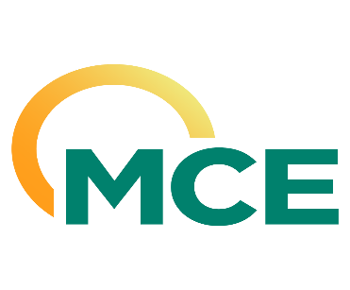

Open Season Offer Form Instructions and Acknowledgments
Please read and complete acknowledgements below

Instructions
1. Please complete and submit the Offer Form in Microsoft Excel format; other formats will not be accepted.
2. Instructions for submitting the Offer Form and a complete Open Season offer are located in the MCE 2026 Disadvantaged Communities Green Tariff Procedural Overview and Instructions.
3. Please reference the notes located in each data entry cell for guidance regarding required information for responses.
4. Please complete every applicable field before submitting; Offer Forms with incomplete responses are subject to being disqualified. Respondents should submit a separate Offer Form for each offer. Offer permutations with different material commercial terms (e.g., Contract Price, Delivery Term, Guaranteed Capacity, Project) are considered a separate offer and a separate Offer Form should be submitted for each proposal. MCE encourages Respondents to emphasize quality as opposed to quantity when submitting multiple offers. Unless otherwise indicated by Respondent, all offers submitted are assumed to reflect the product and contract specifications set forth in the applicable Term Sheet.
5. Note: a complete offer package includes a Completed Offer Form, a Completed Term Sheet (Attachment A), and a copy of the Interconnection Study or Interconnection Agreement (Attachment B).

6. Please contact greentariffrfo@mcecleanenergy.org if you have any questions regarding this offer form, or visit our website at http://mcecleanenergy.org/energy-procurement/

Acknowledgments
By responding 'yes', the authorized contact for the Respondent agrees that they have read and understand the terms and conditions of theMCE 2026 Disadvantaged Communities Green Tariff Procedural Overview and Instructions and the applicable Term Sheet. |  | Yes/No
Does the Respondent agree to the terms and conditions of the applicable Term Sheet, except as modified in the attached redlined copy of the Term Sheet provided as attachment to the Offer submittal as: Attachment A - Redlines to Term Sheet? The completed Term Sheet should be in a clean Word format with redlines presented in a separate tracked-changes document. |  | Yes/No

