Instructions and Info
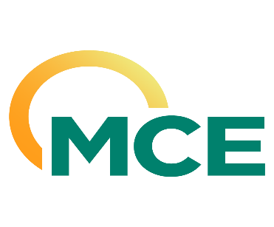
 | Marin Clean Energy (MCE)
 | 2026 Renewable Energy PCC1
 | Request for Offers (RFO)

Instructions
After reviewing the Solicitation Protocol, please complete and submit this Offer Form to Procurement@mcecleanenergy.org by 5pm PDT on April 10th, 2026.
All Participants must complete the "Acknowledgements" and "Participant Information" sections below, as well as any of the product-specific sections within subsequent tabs of this Offer Form for which they wish to submit Offers.
Please direct any questions to Procurement@mcecleanenergy.org.

Acknowledgements
By responding "Yes," the Participant agrees that he or she is a duly authorized representative of the Organization.
By responding "Yes," the Participant agrees that he or she has read and fully understands the instructions and terms of the solicitation within the Solicitation Protocol.
By responding "Yes," the Participant agrees to the terms and conditions of the applicable WSPP or EEI Master and Agreements.

Participant Information
Organization Name
Address (Street, City, State, ZIP)
Authorized Participant Name
Title
Email
Phone
Parent Company, if applicable
Credit Rating, if applicable
Guarantor, if applicable
Other

Offer Form
 | 2026 PCC1
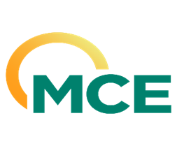 | Renewable Energy

Renewable Energy - PCC1
Product |  | PCC 1 Renewable Energy, delivered and scheduled by Seller into California ISO
Pricing |  | Index + Renewable Premium ($/MWh)
Please specify resource type(s)
Notes
Delivery Year |  | 2026
Total Volume (MWh)
Firm Volume (MWh)
Non-Firm Volume (MWh)
Price ($/MWh)

